Bar - Contract Type
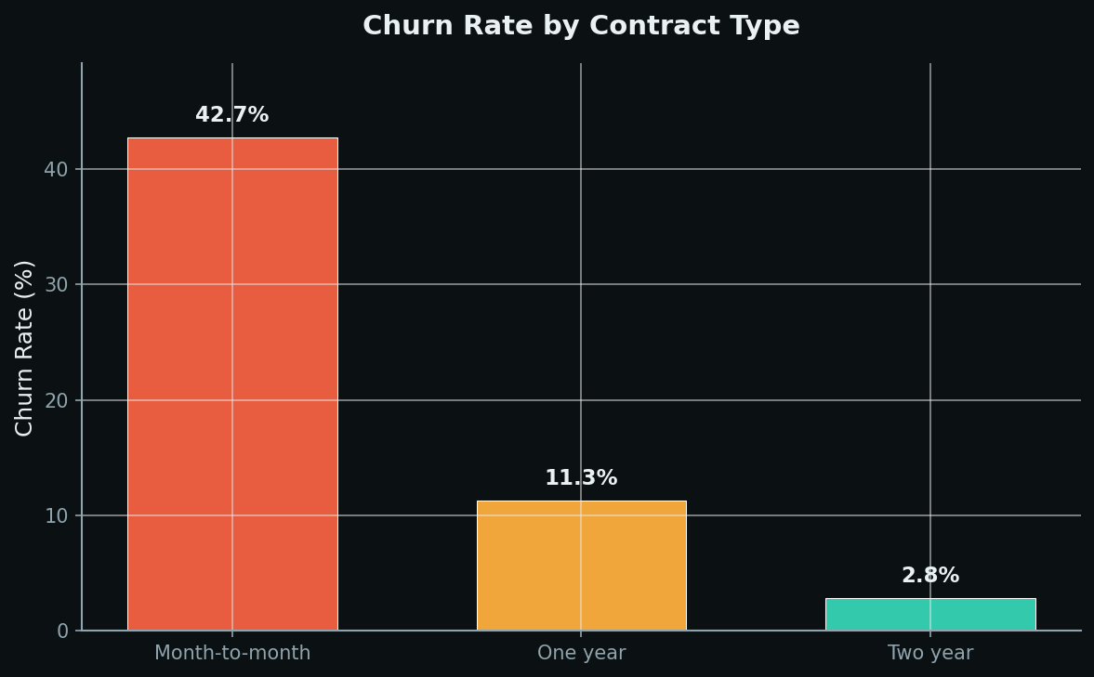
Churn Rate by Contract Type

Analyst Lab Africa · Telco Churn Analysis · 7,043 Accounts

Bar - Payment Method
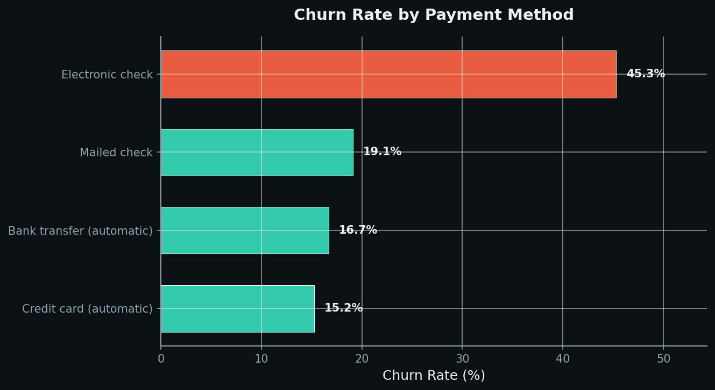
Churn Rate by Payment Method

Analyst Lab Africa · Telco Churn Analysis · 7,043 Accounts

Bar - Tenure Group
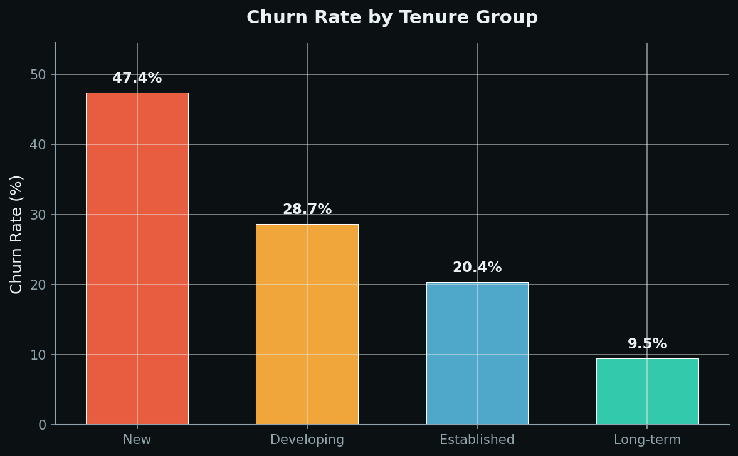
Churn Rate by Tenure Group

Analyst Lab Africa · Telco Churn Analysis · 7,043 Accounts

Pie - Churn
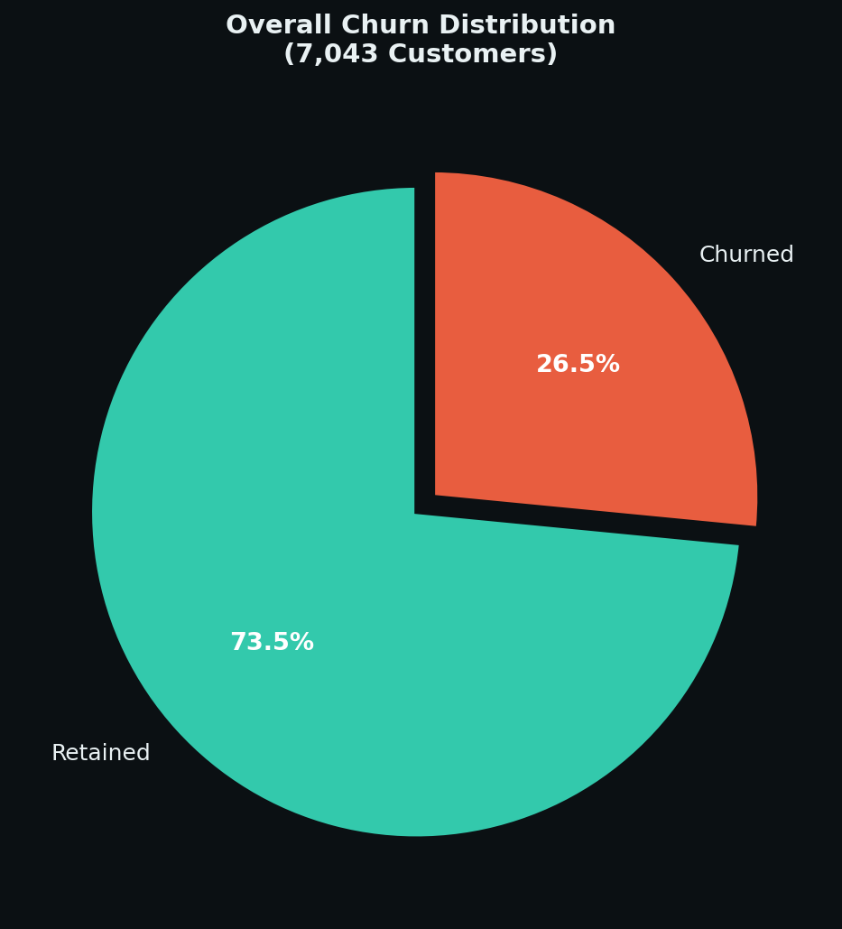
Overall Churn Distribution

Analyst Lab Africa · Telco Churn Analysis · 7,043 Accounts

Pie - Contract
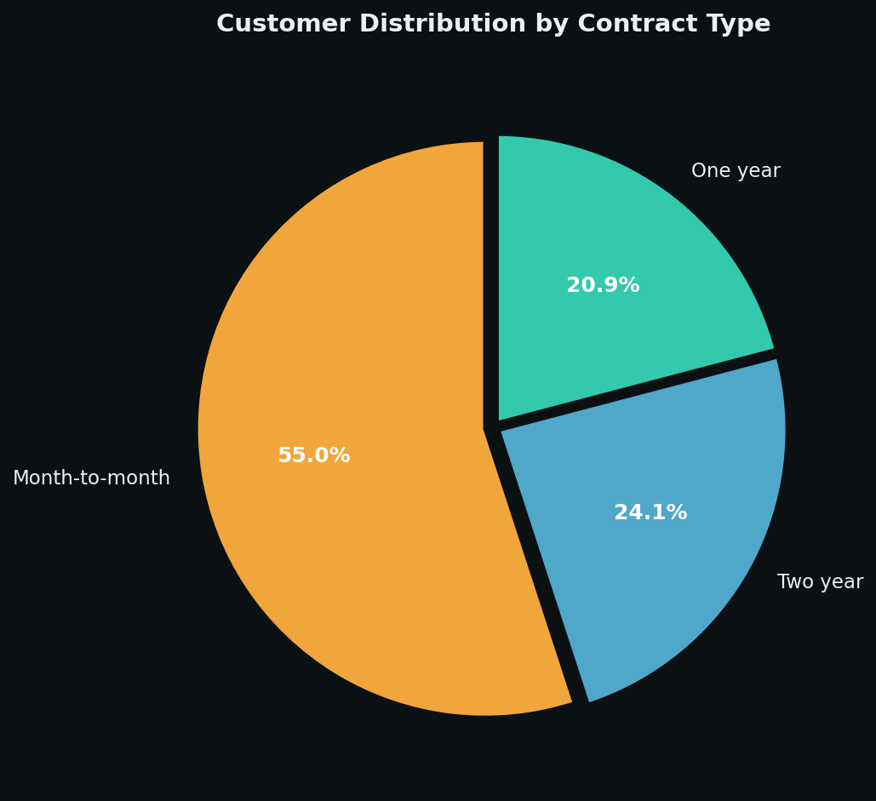
Customer Distribution by Contract Type

Analyst Lab Africa · Telco Churn Analysis · 7,043 Accounts

Hist - Monthly Charges
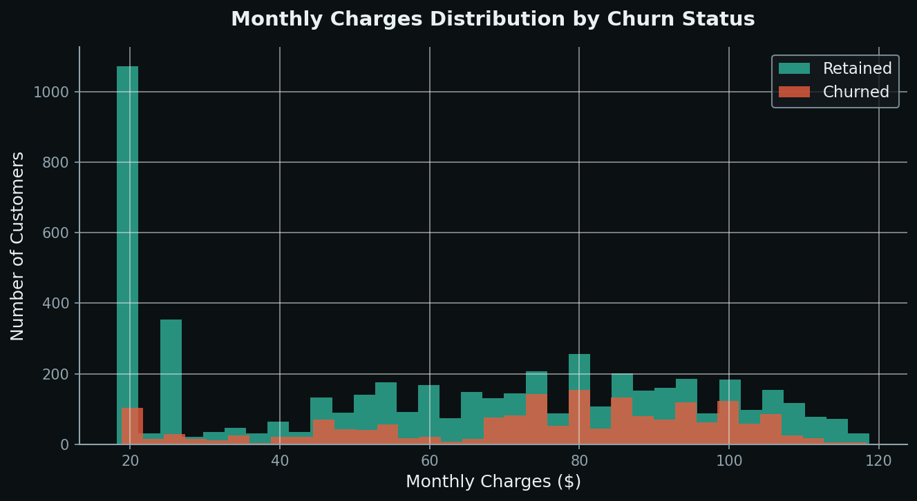
Monthly Charges Distribution by Churn

Analyst Lab Africa · Telco Churn Analysis · 7,043 Accounts

Hist - Tenure
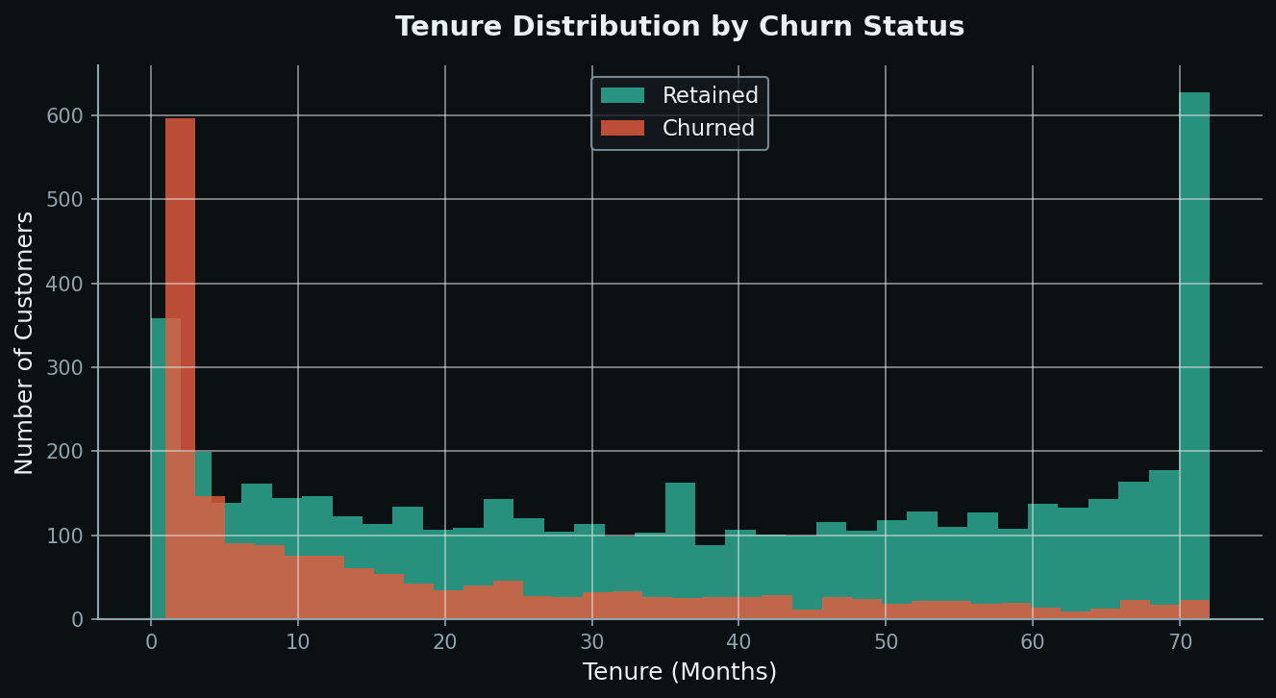
Tenure Distribution by Churn

Analyst Lab Africa · Telco Churn Analysis · 7,043 Accounts

Box - Monthly Charges
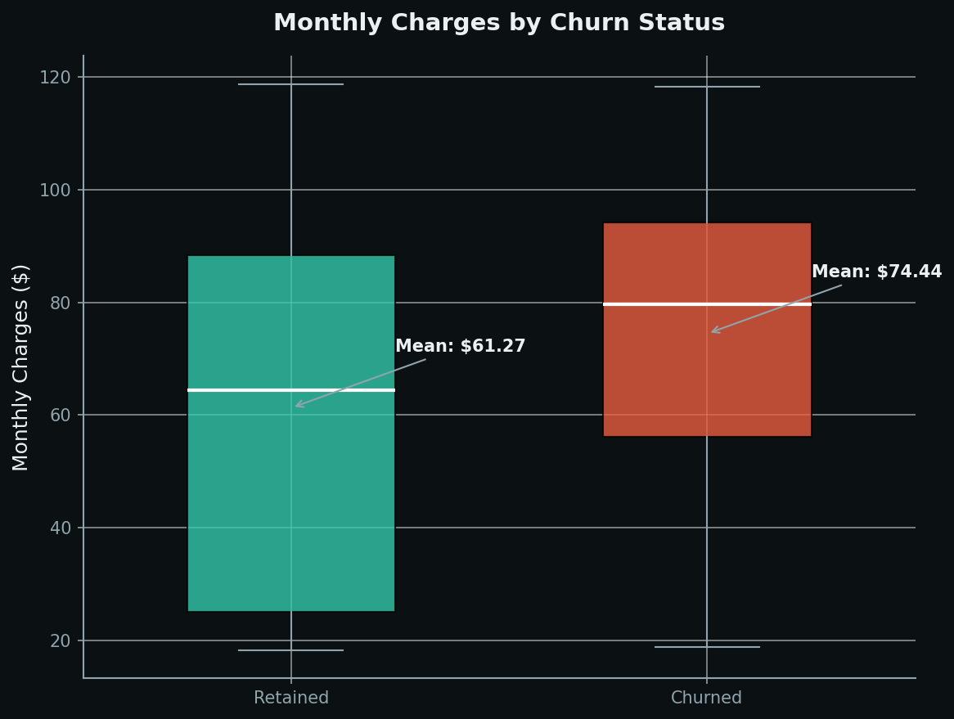
Monthly Charges by Churn Status

Analyst Lab Africa · Telco Churn Analysis · 7,043 Accounts

Heatmap - Correlation
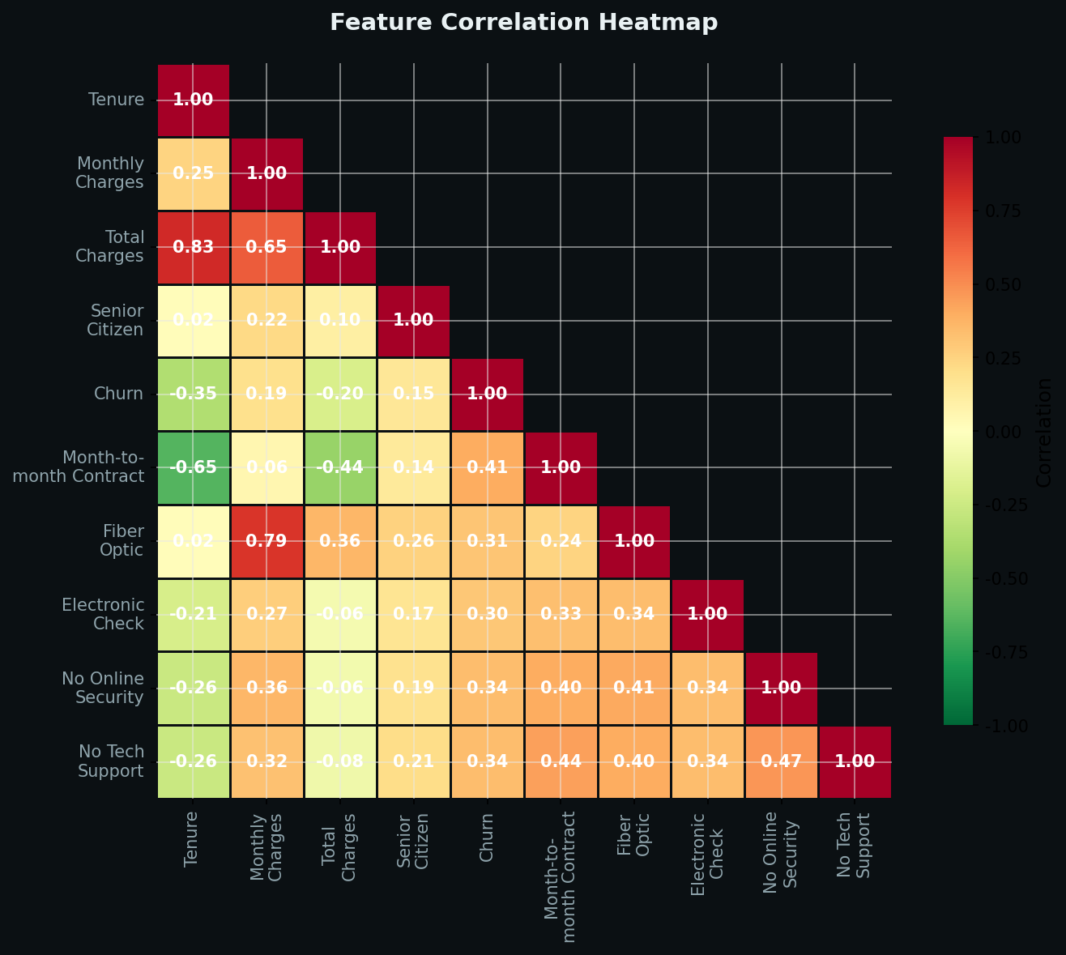
Feature Correlation Heatmap

Analyst Lab Africa · Telco Churn Analysis · 7,043 Accounts

